Sheet1
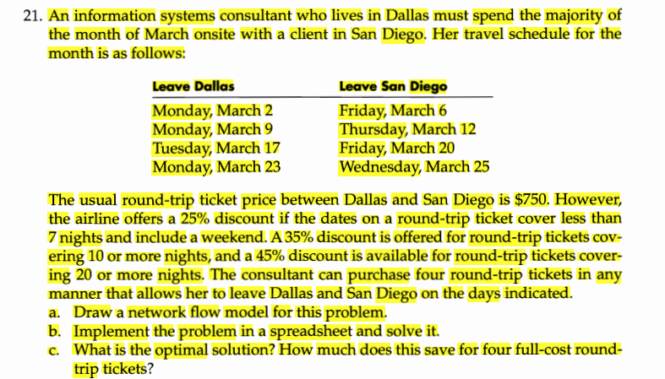
 | leave | dallas | leave | sd
DV |  | day |  |  | price | node | Day | netflow | supply/demand
0 | 2 | Monday | 6 | Friday | 750 | 2 | Monday | -1 | -1
0 | 2 | Monday | 12 | thursday | 487.5 | 6 | Friday | 1 | 1
0 | 2 | Monday | 20 | friday | 487.5 | 9 | Monday | -1 | -1
1 | 2 | Monday | 25 | Wednesday | 412.5 | 12 | thursday | 1 | 1
0 | 9 | Monday | 6 | Friday | 750 | 17 | Tuesday | -1 | -1
0 | 9 | Monday | 12 | thursday | 562.5 | 20 | friday | 1 | 1
1 | 9 | Monday | 20 | friday | 487.5 | 23 | monday | -1 | -1
0 | 9 | Monday | 25 | Wednesday | 487.5 | 25 | Wednesday | 1 | 1
1 | 17 | Tuesday | 6 | Friday | 487.5 | supply=demand |  |  | 0
0 | 17 | Tuesday | 12 | thursday | 562.5
0 | 17 | Tuesday | 20 | friday | 750
0 | 17 | Tuesday | 25 | Wednesday | 562.5
0 | 23 | monday | 6 | Friday | 487.5
1 | 23 | monday | 12 | thursday | 487.5
0 | 23 | monday | 20 | friday | 562.5
0 | 23 | monday | 25 | Wednesday | 750

 |  |  |  | total cost | 1875
 |  |  |  | total trip | 4
 |  |  |  | saving | 1125

